Puma
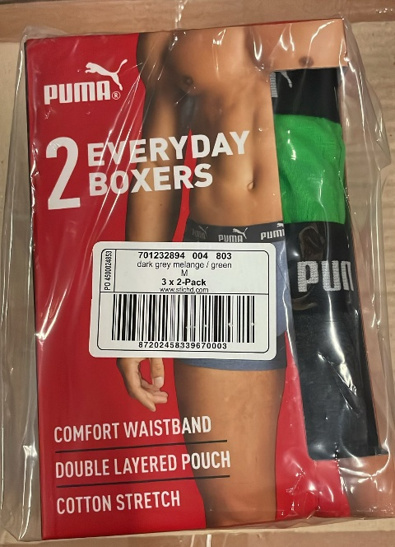
Photo | Article | Description | M | L | XL | XXL | Total
 | 701232894 002 | Puma Men Elements Basic Boxer 2-Pack Blue/Combo | 240 | 564 | 606 | 235 | 1645
 | 701232894 003 | Puma Men Elements Basic Boxer 2-Pack Red/Grey Melange | 260 | 655 | 610 | 300 | 1825
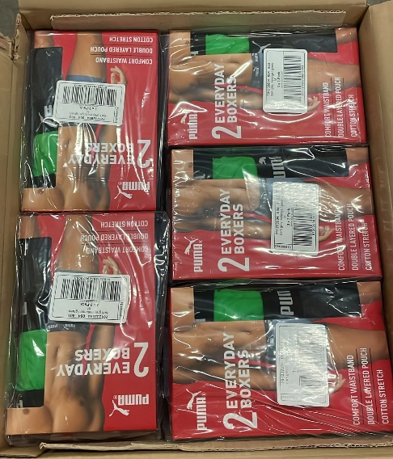
 | 701232894 004 | Puma Men Elements Basic Boxer 2-Pack Dark Grey Melange/Green | 305 | 610 | 655 | 255 | 1825
 | 701232894 007 | Puma Men Elements Basic Boxer 2-Pack Black/Blue | 366 | 679 | 721 | 454 | 2220
 | 701232894 008 | Puma Men Elements Basic Boxer 2-Pack Forest Night/Black | 225 | 593 | 552 | 205 | 1575
 | 701232894 009 | Puma Men Elements Basic Boxer 2-Pack Blue/Navy | 1015 | 2561 | 2359 | 1060 | 6995
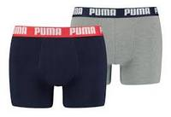 | 521015001 036 | Puma Men Basic Boxer 2-Pack Navy/Grey | 1281 | 1991 | 1991 | 545 | 5808
 |  |  |  |  |  |  | 21893

